Evolución
Ventas
 | 2014 | 2015 | 2016
ene | 2,544 | 8,010 | 3,906
feb | 360 | 2,895 | 2,494
mar | 503 | 3,053 | 1,948
abr | 4,222 | 3,677 | 3,912
may | 578 | 6,900 | 8,258
jun | 848 | 5,346 | 6,997
jul | 1,092 | 7,740 | 11,188
ago | 13,224 | 2,888 | 6,669
sep | 4,750 | 4,455 | 4,478
oct | 5,773 | 2,887 | 4,564
nov | 7,172 | 7,291 | 2,307
dic | 5,324 | 3,741 | 10,174
Total general | 46,390 | 58,884 | 66,895

Segmentación
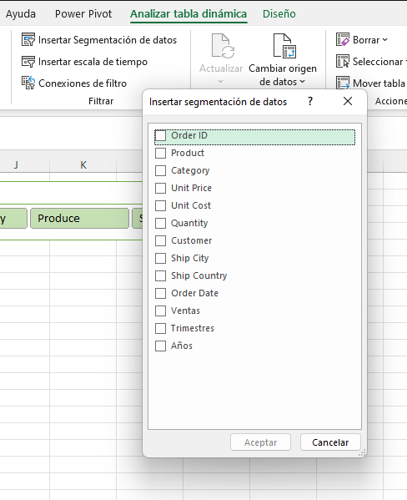

TD
